Search option BUG
Център за обучение по софтуерно тестване Website: http://skillo-bg.com

Bug ID | PSB004
Name | Search option doesn't work properly
Priority | P1
Severity | S1
Description | Search option shows results that are not defined
Steps to reproduce | 1. Go to http://automationpractice.com/index.php 2. Write dress on the search opion Expected result: Dress results are shown Actual result: Dress, T-Shirt, Skirt and Blouse resilts are shown
Attachment | 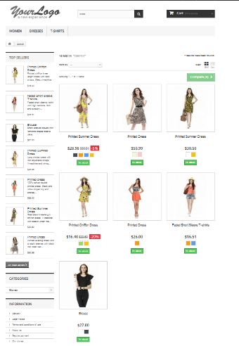 Created at 20:15 PM, EEST UTC/GMT +3 hours
Status | New/ To Do
Component | Search option
Version/Build number (Found in) | v.3.3
Environment | Mozilla Firefox Version 67; IE11
Comments
Date Created | 27.05.2019
Author | Svetla Lukanova
Audit Log | Svetla Lukanova created the bug on 27.05.2019

Sale 70% off banner BUG
Център за обучение по софтуерно тестване Website: http://skillo-bg.com

Bug ID | PSB005
Name | "Sale 70% off all products" banner is not awailable
Priority | P3
Severity | S3
Description | When the user clicks the "Sale 70% off all products" banner the site doesn’t redirect to the promotion
Steps to reproduce | 1. Go to http://automationpractice.com/index.php 2. Click "Sale 70% off all products" banner Expected result: the site should redirects the user to the promotion Actual result: homepage is opened again
Attachment |  Created at 20:55 PM, EEST UTC/GMT +3 hours
Status | New/ To Do
Component | Promption banner
Version/Build number (Found in) | v.3.3
Environment | Mozilla Firefox Version 67; IE11
Comments
Date Created | 27.05.2019
Author | Svetla Lukanova
Audit Log | Svetla Lukanova created the bug on 27.05.2019

Drop Down BUG
Център за обучение по софтуерно тестване Website: http://skillo-bg.com

Bug ID | PSB006
Name | No drop down menu on T-Shirt section
Priority | P3
Severity | S3
Description | When the user points at T-Shirt section no drop down menu is shown
Steps to reproduce | 1. Go to http://automationpractice.com/index.php 2. Point at T- Shirt section Expected result: A drop down menu must show with types of t-shirts Actual result: No drop down menu is shown
Attachment | 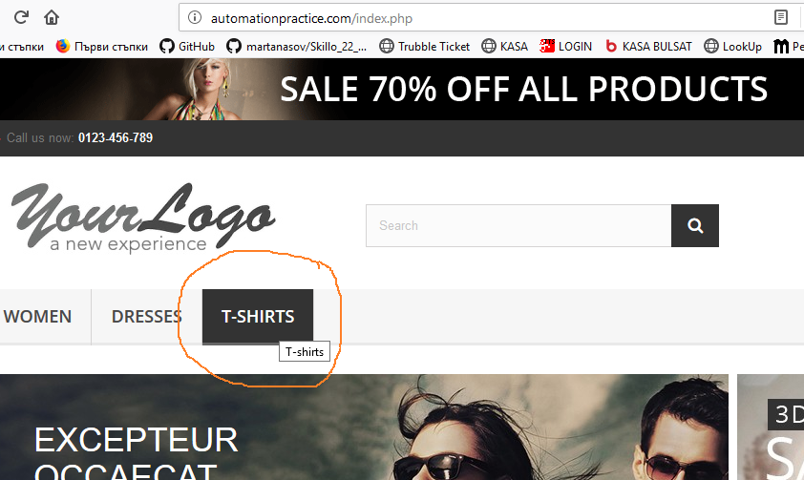 Created at 21:25 PM, EEST UTC/GMT +3 hours
Status | New/ To Do
Component | Drop Down Menu
Version/Build number (Found in) | v.3.3
Environment | Mozilla Firefox Version 67; IE11
Comments
Date Created | 27.05.2019
Author | Svetla Lukanova
Audit Log | Svetla Lukanova created the bug on 27.05.2019

